Planilha1
Material | Descrição | mecanica | peso | corrente | tensao | Linha TF
16905623 | INVERSOR CFW500C47P0T2DB66G2 | C | 19,200 | 47 | 220 | F13
18289595 | INVERSOR CM500C47P0T2DB66G2 | C |  | 47 | 220 | F13
18289599 | INVERSOR CM500C56P0T2DB66G2 | C |  | 56 | 220 | F13
15342758 | INVERSOR CFW500F77P0T2DB20H01SA | F | 24,500 | 77 | 220 | F13
15342637 | INVERSOR CFW500F77P0T2DB20H00G2 | F | 24,500 | 77 | 220 | F13
15342630 | INVERSOR CFW500F77P0T2DB20C3H00G2 | F | 24,500 | 77 | 220 | F13
15342628 | INVERSOR CFW500F77P0T2DB20C3G2 | F | 24,500 | 77 | 220 | F13
15342437 | INVERSOR CFW500F77P0T2DB20G2 | F | 24,500 | 77 | 220 | F13
15341665 | INVERSOR CFW500F77P0T4DB20H01SA | F | 24,500 | 77 | 440 | F13
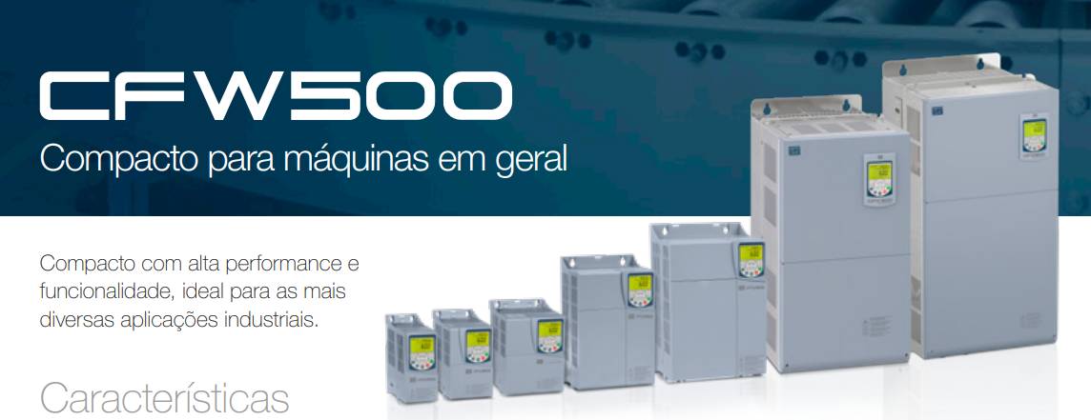
15644111 | INVERSOR CFW500F77P0T4DB20ECG2 | F | 20,000 | 77 | 440 | F13
15598419 | INVERSOR CFW500F77P0T4DB20H03SDG2 | F | 24,000 | 77 | 440 | F13
15598196 | INVERSOR CFW500F77P0T2DB20H03SDG2 | F | 24,000 | 77 | 220 | F13
15733937 | INVERSOR CFW500F77P0T4DB20G2 | F | 24,500 | 77 | 440 | F13
15734058 | INVERSOR CFW500F77P0T4DB20C3G2 | F | 26,000 | 77 | 440 | F13
15734059 | INVERSOR CFW500F77P0T4DB20C3H00G2 | F | 26,000 | 77 | 440 | F13
15734062 | INVERSOR CFW500F77P0T4DB20H00G2 | F | 24,500 | 77 | 440 | F13
15941825 | INVERSOR CFW500F77P0T4DB20H13G2 | F | 24,500 | 77 | 440 | F13
15822327 | INVERSOR CFW500F77P0T4DB20C3H13G2 | F | 25,000 | 77 | 440 | F13
16080417 | INVERSOR CFW500F77P0T2DB20H13G2 | F | 24,500 | 77 | 220 | F13
16204628 | INVERSOR CFW501F77P0T2DB20C3G2 | F | 26,000 | 77 | 220 | F13
16206512 | INVERSOR CFW501F77P0T2DBN1C3G2 | F | 26,000 | 77 | 220 | F13
16204838 | INVERSOR CFW501F77P0T4DB20C3G2 | F | 26,000 | 77 | 440 | F13
16206528 | INVERSOR CFW501F77P0T4DBN1C3G2 | F | 26,000 | 77 | 440 | F13
16960590 | INVERSOR CFW500F77P0T4DB20C3Y2H17G2 | F | 26,000 | 77 | 440 | F13
17026781 | INVERSOR CFW500F77P0T2DB20H01SAG2 | F | 24,500 | 77 | 220 | F13
15735044 | INVERSOR CFW500F77P0T4DB20H01SAG2 | F | 24,500 | 77 | 440 | F13
18694315 | INVERSOR CFW500F77P0T4DB20C3G2-UI | F | 26,000 | 77 | 440 | F13
14609374 | INVERSOR CFW500F77P0T4DB20 | F | 24,500 | 77 | 440 | F13
14609458 | INVERSOR CFW500F77P0T4DB20C3 | F | 26,000 | 77 | 440 | F13
14922377 | INVERSOR CFW500F77P0T4DB20C3H00 | F | 26,000 | 77 | 440 | F13
14922376 | INVERSOR CFW500F77P0T4DB20H00 | F | 24,500 | 77 | 440 | F13
18289650 | INVERSOR CM500F77P0T2DB20G2 | F |  | 77 | 220 | F13
18289651 | INVERSOR CM500F77P0T2DB20C3G2 | F |  | 77 | 220 | F13
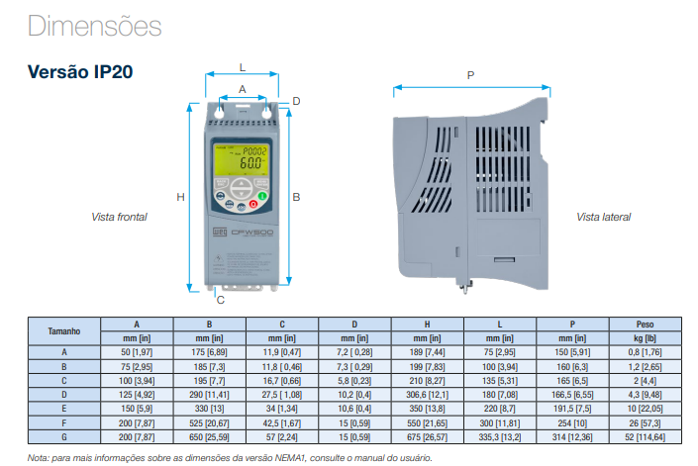
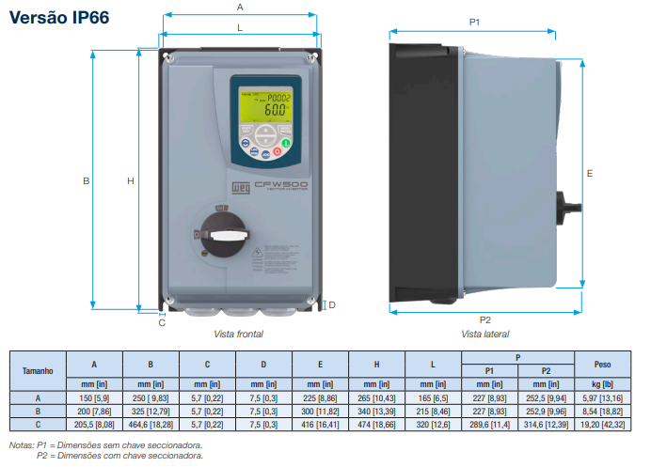
18289656 | INVERSOR CM500F77P0T4DB20G2 | F |  | 77 | 220 | F13
18289657 | INVERSOR CM500F77P0T4DB20C3G2 | F |  | 77 | 220 | F13
15342765 | INVERSOR CFW500F88P0T2DB20H01SA | F | 24,500 | 88 | 220 | F13
15342764 | INVERSOR CFW500F88P0T2DB20H00G2 | F | 24,500 | 88 | 220 | F13
15342762 | INVERSOR CFW500F88P0T2DB20C3H00G2 | F | 24,500 | 88 | 220 | F13
15342761 | INVERSOR CFW500F88P0T2DB20C3G2 | F | 24,500 | 88 | 220 | F13
15342760 | INVERSOR CFW500F88P0T2DB20G2 | F | 24,500 | 88 | 220 | F13
15644112 | INVERSOR CFW500F88P0T4DB20ECG2 | F | 20,000 | 88 | 440 | F13
15598421 | INVERSOR CFW500F88P0T4DB20H03SDG2 | F | 24,000 | 88 | 440 | F13
15598338 | INVERSOR CFW500F88P0T2DB20H03SDG2 | F | 24,000 | 88 | 220 | F13
15734064 | INVERSOR CFW500F88P0T4DB20G2 | F | 24,500 | 88 | 440 | F13
15734065 | INVERSOR CFW500F88P0T4DB20H00G2 | F | 24,500 | 88 | 440 | F13
15734066 | INVERSOR CFW500F88P0T4DB20C3G2 | F | 26,000 | 88 | 440 | F13
15734067 | INVERSOR CFW500F88P0T4DB20C3H00G2 | F | 26,000 | 88 | 440 | F13
15941826 | INVERSOR CFW500F88P0T4DB20H13G2 | F | 24,500 | 88 | 440 | F13
15822426 | INVERSOR CFW500F88P0T4DB20C3H13G2 | F | 25,000 | 88 | 440 | F13
16080567 | INVERSOR CFW500F88P0T2DB20H13G2 | F | 24,500 | 88 | 220 | F13
16204844 | INVERSOR CFW501F88P0T4DB20C3G2 | F | 26,000 | 88 | 440 | F13
16204632 | INVERSOR CFW501F88P0T2DB20C3G2 | F | 26,000 | 88 | 220 | F13
16206513 | INVERSOR CFW501F88P0T2DBN1C3G2 | F | 26,000 | 88 | 220 | F13
16206530 | INVERSOR CFW501F88P0T4DBN1C3G2 | F | 26,000 | 88 | 440 | F13
17027211 | INVERSOR CFW500F88P0T4DB20H01SAG2 | F | 24,500 | 88 | 440 | F13
17026783 | INVERSOR CFW500F88P0T2DB20H01SAG2 | F | 24,500 | 88 | 220 | F13
17533500 | INVERSOR CFW500F88P0T4DB20C3H00ECG2 | F | 26,000 | 88 | 440 | F13
18694401 | INVERSOR CFW500F88P0T4DB20C3G2-UI | F | 26,000 | 88 | 440 | F13
14609460 | INVERSOR CFW500F88P0T4DB20 | F | 24,500 | 88 | 440 | F13 | MEC C IP66 problema
14922480 | INVERSOR CFW500F88P0T4DB20H00 | F | 24,500 | 88 | 440 | F13 | MEC F BORNE
18289652 | INVERSOR CM500F88P0T2DB20G2 | F |  | 88 | 220 | F13 | MEC G BARRAMENTO
18289653 | INVERSOR CM500F88P0T2DB20C3G2 | F |  | 88 | 220 | F13
18289658 | INVERSOR CM500F88P0T4DB20G2 | F |  | 88 | 220 | F13
18289659 | INVERSOR CM500F88P0T4DB20C3G2 | F |  | 88 | 220 | F13
15342917 | INVERSOR CFW500F0105T2DB20H01SA | F | 24,500 | 105 | 220 | F13
15342915 | INVERSOR CFW500F0105T2DB20H00G2 | F | 24,500 | 105 | 220 | F13
15342914 | INVERSOR CFW500F0105T2DB20C3H00G2 | F | 24,500 | 105 | 220 | F13
15342911 | INVERSOR CFW500F0105T2DB20C3G2 | F | 24,500 | 105 | 220 | F13
15342909 | INVERSOR CFW500F0105T2DB20G2 | F | 24,500 | 105 | 220 | F13
15644114 | INVERSOR CFW500F0105T4DB20ECG2 | F | 20,000 | 105 | 440 | F13
15598477 | INVERSOR CFW500F0105T4DB20H03SDG2 | F | 24,000 | 105 | 440 | F13
15598390 | INVERSOR CFW500F0105T2DB20H03SDG2 | F | 24,000 | 105 | 220 | F13
15734119 | INVERSOR CFW500F0105T4DB20G2 | F | 24,500 | 105 | 440 | F13
15734120 | INVERSOR CFW500F0105T4DB20H00G2 | F | 24,500 | 105 | 440 | F13
15734121 | INVERSOR CFW500F0105T4DB20C3G2 | F | 26,000 | 105 | 440 | F13
15734882 | INVERSOR CFW500F0105T4DB20C3H00G2 | F | 26,000 | 105 | 440 | F13
15942029 | INVERSOR CFW500F0105T4DB20H13G2 | F | 24,500 | 105 | 440 | F13
15822443 | INVERSOR CFW500F0105T4DB20C3H13G2 | F | 25,000 | 105 | 440 | F13
16080631 | INVERSOR CFW500F0105T2DB20H13G2 | F | 24,500 | 105 | 220 | F13
15876611 | INVERSOR CFW500F0105T2DB20H11SIG2 | F | 24,500 | 105 | 220 | F13
16206531 | INVERSOR CFW501F0105T4DBN1C3G2 | F | 26,000 | 105 | 440 | F13
16204858 | INVERSOR CFW501F0105T4DB20C3G2 | F | 26,000 | 105 | 440 | F13
16206515 | INVERSOR CFW501F0105T2DBN1C3G2 | F | 26,000 | 105 | 220 | F13
16204792 | INVERSOR CFW501F0105T2DB20C3G2 | F | 26,000 | 105 | 220 | F13
16980232 | INVERSOR CFW500F0105T4DB20C3HMPSMG2 | F | 26,000 | 105 | 440 | F13
16996795 | INVERSOR CFW500F0105T4DB20C3H00ECG2 | F | 26,000 | 105 | 440 | F13
17027212 | INVERSOR CFW500F0105T4DB20H01SAG2 | F | 24,500 | 105 | 440 | F13
17026787 | INVERSOR CFW500F0105T2DB20H01SAG2 | F | 24,500 | 105 | 220 | F13
18694404 | INVERSOR CFW500F0105T4DB20C3G2-UI | F | 26,000 | 105 | 440 | F13
14922486 | INVERSOR CFW500F0105T4DB20H00 | F | 24,500 | 105 | 440 | F13
14609464 | INVERSOR CFW500F0105T4DB20 | F | 24,500 | 105 | 440 | F13
18289648 | INVERSOR CM500F0105T2DB20G2 | F |  | 105 | 220 | F13
18289649 | INVERSOR CM500F0105T2DB20C3G2 | F |  | 105 | 220 | F13
18289654 | INVERSOR CM500F0105T4DB20G2 | F |  | 105 | 220 | F13
18289655 | INVERSOR CM500F0105T4DB20C3G2 | F |  | 105 | 220 | F13
15911230 | INVERSOR CFW500G0142T4DB20H13G2 | G | 30,000 | 142 | 440 | F13
15911162 | INVERSOR CFW500G0142T4NB20H13G2 | G | 30,000 | 142 | 440 | F13
16204995 | INVERSOR CFW501G0142T4DB20C3G2 | G | 52,000 | 142 | 440 | F13
16206642 | INVERSOR CFW501G0142T4DBN1C3G2 | G | 52,000 | 142 | 440 | F13
16204997 | INVERSOR CFW501G0142T4NB20C3G2 | G | 52,000 | 142 | 440 | F13
16206644 | INVERSOR CFW501G0142T4NBN1C3G2 | G | 52,000 | 142 | 440 | F13
16706018 | INVERSOR CFW500G0142T4DB20H03SDG2 | G | 30,000 | 142 | 440 | F13
17027213 | INVERSOR CFW500G0142T4DB20C3H01SAG2 | G | 45,000 | 142 | 440 | F13
18694490 | INVERSOR CFW500G0142T4NB20C3G2-UI | G | 45,000 | 142 | 440 | F13
15448371 | INVERSOR CFW500G0142T4DB20G2 | G | 30,000 | 142 | 440 | F13
15180490 | INVERSOR CFW500G0142T4NB20C3H00G2 | G | 45,000 | 142 | 440 | F13
15180356 | INVERSOR CFW500G0142T4NB20C3G2 | G | 45,000 | 142 | 440 | F13
15180352 | INVERSOR CFW500G0142T4DB20C3H00G2 | G | 45,000 | 142 | 440 | F13
15180348 | INVERSOR CFW500G0142T4DB20C3G2 | G | 45,000 | 142 | 440 | F13
15598501 | INVERSOR CFW500G0142T4NB20H03SDG2 | G | 30,000 | 142 | 440 | F13
15448375 | INVERSOR CFW500G0142T4DB20H00G2 | G | 30,000 | 142 | 440 | F13
15448492 | INVERSOR CFW500G0142T4NB20G2 | G | 30,000 | 142 | 440 | F13
15448496 | INVERSOR CFW500G0142T4NB20H00G2 | G | 30,000 | 142 | 440 | F13
18289683 | INVERSOR CM500G0142T4DB20C3G2 | G |  | 142 | 220 | F13
18289684 | INVERSOR CM500G0142T4NB20C3G2 | G |  | 142 | 220 | F13
18289685 | INVERSOR CM500G0142T4DB20G2 | G |  | 142 | 220 | F13
18289686 | INVERSOR CM500G0142T4NB20G2 | G |  | 142 | 220 | F13
15889150 | INVERSOR CFW500G0145T2DB20H01SA | G | 45,000 | 145 | 220 | F13
16082958 | INVERSOR CFW500G0145T2DB20H13G2 | G | 45,000 | 145 | 220 | F13
16082807 | INVERSOR CFW500G0145T2NB20H13G2 | G | 45,000 | 145 | 220 | F13
16204862 | INVERSOR CFW501G0145T2DB20C3G2 | G | 26,000 | 145 | 220 | F13
16206532 | INVERSOR CFW501G0145T2DBN1C3G2 | G | 52,000 | 145 | 220 | F13
16204888 | INVERSOR CFW501G0145T2NB20C3G2 | G | 26,000 | 145 | 220 | F13
16206533 | INVERSOR CFW501G0145T2NBN1C3G2 | G | 52,000 | 145 | 220 | F13
17026832 | INVERSOR CFW500G0145T2DB20C3H01SAG2 | G | 45,000 | 145 | 220 | F13
15654761 | INVERSOR CFW500G0145T2DB20C3G2 | G | 45,000 | 145 | 220 | F13
15654766 | INVERSOR CFW500G0145T2DB20C3H00G2 | G | 45,000 | 145 | 220 | F13
15654800 | INVERSOR CFW500G0145T2NB20C3G2 | G | 45,000 | 145 | 220 | F13
15654803 | INVERSOR CFW500G0145T2NB20C3H00G2 | G | 45,000 | 145 | 220 | F13
15654806 | INVERSOR CFW500G0145T2DB20G2 | G | 45,000 | 145 | 220 | F13
15654829 | INVERSOR CFW500G0145T2DB20H00G2 | G | 45,000 | 145 | 220 | F13
15655460 | INVERSOR CFW500G0145T2NB20G2 | G | 45,000 | 145 | 220 | F13
15655592 | INVERSOR CFW500G0145T2NB20H00G2 | G | 45,000 | 145 | 220 | F13
15655735 | INVERSOR CFW500G0145T2NB20H03SDG2 | G | 30,000 | 145 | 220 | F13
18289660 | INVERSOR CM500G0145T2DB20C3G2 | G |  | 145 | 220 | F13
18289661 | INVERSOR CM500G0145T2NB20C3G2 | G |  | 145 | 220 | F13
18289663 | INVERSOR CM500G0145T2DB20G2 | G |  | 145 | 220 | F13
18289664 | INVERSOR CM500G0145T2NB20G2 | G |  | 145 | 220 | F13
15899790 | INVERSOR CFW500G0180T2DB20H01SA | G | 30,000 | 180 | 220 | F13
15911237 | INVERSOR CFW500G0180T4DB20H13G2 | G | 30,000 | 180 | 440 | F13
16083067 | INVERSOR CFW500G0180T2DB20H13G2 | G | 45,000 | 180 | 220 | F13
16082871 | INVERSOR CFW500G0180T2NB20H13G2 | G | 45,000 | 180 | 220 | F13
15911166 | INVERSOR CFW500G0180T4NB20H13G2 | G | 30,000 | 180 | 440 | F13
16204896 | INVERSOR CFW501G0180T2DB20C3G2 | G | 52,000 | 180 | 220 | F13
16206536 | INVERSOR CFW501G0180T2DBN1C3G2 | G | 52,000 | 180 | 220 | F13
16204989 | INVERSOR CFW501G0180T2NB20C3G2 | G | 52,000 | 180 | 220 | F13
16206639 | INVERSOR CFW501G0180T2NBN1C3G2 | G | 52,000 | 180 | 220 | F13
16205099 | INVERSOR CFW501G0180T4DB20C3G2 | G | 52,000 | 180 | 440 | F13
16206645 | INVERSOR CFW501G0180T4DBN1C3G2 | G | 52,000 | 180 | 440 | F13
16206646 | INVERSOR CFW501G0180T4NBN1C3G2 | G | 52,000 | 180 | 440 | F13
16205972 | INVERSOR CFW501G0180T4NB20C3G2 | G | 52,000 | 180 | 440 | F13
16706021 | INVERSOR CFW500G0180T4DB20H03SDG2 | G | 30,000 | 180 | 440 | F13
17027214 | INVERSOR CFW500G0180T4DB20C3H01SAG2 | G | 45,000 | 180 | 440 | F13
17026836 | INVERSOR CFW500G0180T2DB20C3H01SAG2 | G | 45,000 | 180 | 220 | F13
17839966 | INVERSOR CFW500G0180T4DB20C3H00ECG2 | G | 45,000 | 180 | 440 | F13
18694493 | INVERSOR CFW500G0180T4NB20C3G2-UI | G | 45,000 | 180 | 440 | F13
15180561 | INVERSOR CFW500G0180T4NB20C3H00G2 | G | 45,000 | 180 | 440 | F13
15180488 | INVERSOR CFW500G0180T4NB20C3G2 | G | 45,000 | 180 | 440 | F13
15180353 | INVERSOR CFW500G0180T4DB20C3H00G2 | G | 45,000 | 180 | 440 | F13
15180350 | INVERSOR CFW500G0180T4DB20C3G2 | G | 45,000 | 180 | 440 | F13
15654763 | INVERSOR CFW500G0180T2DB20C3G2 | G | 45,000 | 180 | 220 | F13
15654798 | INVERSOR CFW500G0180T2DB20C3H00G2 | G | 45,000 | 180 | 220 | F13
15654801 | INVERSOR CFW500G0180T2NB20C3G2 | G | 45,000 | 180 | 220 | F13
15654804 | INVERSOR CFW500G0180T2NB20C3H00G2 | G | 45,000 | 180 | 220 | F13
15654807 | INVERSOR CFW500G0180T2DB20G2 | G | 45,000 | 180 | 220 | F13
15655341 | INVERSOR CFW500G0180T2DB20H00G2 | G | 45,000 | 180 | 220 | F13
15655462 | INVERSOR CFW500G0180T2NB20G2 | G | 45,000 | 180 | 220 | F13
15655659 | INVERSOR CFW500G0180T2NB20H00G2 | G | 45,000 | 180 | 220 | F13
15598502 | INVERSOR CFW500G0180T4NB20H03SDG2 | G | 30,000 | 180 | 440 | F13
15448372 | INVERSOR CFW500G0180T4DB20G2 | G | 30,000 | 180 | 440 | F13
15448377 | INVERSOR CFW500G0180T4DB20H00G2 | G | 30,000 | 180 | 440 | F13
15448493 | INVERSOR CFW500G0180T4NB20G2 | G | 30,000 | 180 | 440 | F13
15448497 | INVERSOR CFW500G0180T4NB20H00G2 | G | 30,000 | 180 | 440 | F13
15655736 | INVERSOR CFW500G0180T2NB20H03SDG2 | G | 30,000 | 180 | 220 | F13
18289665 | INVERSOR CM500G0180T2DB20C3G2 | G |  | 180 | 220 | F13
18289666 | INVERSOR CM500G0180T2NB20C3G2 | G |  | 180 | 220 | F13
18289667 | INVERSOR CM500G0180T2DB20G2 | G |  | 180 | 220 | F13
18289678 | INVERSOR CM500G0180T2NB20G2 | G |  | 180 | 220 | F13
18289687 | INVERSOR CM500G0180T4DB20C3G2 | G |  | 180 | 220 | F13
18289698 | INVERSOR CM500G0180T4NB20C3G2 | G |  | 180 | 220 | F13
18289699 | INVERSOR CM500G0180T4DB20G2 | G |  | 180 | 220 | F13
18289700 | INVERSOR CM500G0180T4NB20G2 | G |  | 180 | 220 | F13
15911289 | INVERSOR CFW500G0211T4DB20H13G2 | G | 30,000 | 211 | 440 | F13
16083100 | INVERSOR CFW500G0211T2DB20H13G2 | G | 45,000 | 211 | 220 | F13
16082874 | INVERSOR CFW500G0211T2NB20H13G2 | G | 45,000 | 211 | 220 | F13
15911228 | INVERSOR CFW500G0211T4NB20H13G2 | G | 30,000 | 211 | 440 | F13
16206661 | INVERSOR CFW501G0211T4NBN1C3G2 | G | 52,000 | 211 | 440 | F13
16206660 | INVERSOR CFW501G0211T4DBN1C3G2 | G | 52,000 | 211 | 440 | F13
16205974 | INVERSOR CFW501G0211T4NB20C3G2 | G | 52,000 | 211 | 440 | F13
16205973 | INVERSOR CFW501G0211T4DB20C3G2 | G | 52,000 | 211 | 440 | F13
16206641 | INVERSOR CFW501G0211T2NBN1C3G2 | G | 52,000 | 211 | 220 | F13
16206640 | INVERSOR CFW501G0211T2DBN1C3G2 | G | 52,000 | 211 | 220 | F13
16204994 | INVERSOR CFW501G0211T2NB20C3G2 | G | 52,000 | 211 | 220 | F13
16204992 | INVERSOR CFW501G0211T2DB20C3G2 | G | 52,000 | 211 | 220 | F13
16236839 | INVERSOR CFW500G0211T4NB20C3H00G2-UI | G | 45,000 | 211 | 440 | F13
16425897 | INVERSOR CFW500G0211T4NB20ECG2 | G | 30,000 | 211 | 440 | F13
16706025 | INVERSOR CFW500G0211T4DB20H03SDG2 | G | 30,000 | 211 | 440 | F13
17027215 | INVERSOR CFW500G0211T4DB20C3H01SAG2 | G | 45,000 | 211 | 440 | F13
17026949 | INVERSOR CFW500G0211T2DB20C3H01SAG2 | G | 45,000 | 211 | 220 | F13
17838479 | INVERSOR CFW500G0211T4NB20C3ECG2 | G | 45,000 | 211 | 440 | F13
18694494 | INVERSOR CFW500G0211T4NB20C3G2-UI | G | 45,000 | 211 | 440 | F13
15180563 | INVERSOR CFW500G0211T4NB20C3H00G2 | G | 45,000 | 211 | 440 | F13
15180489 | INVERSOR CFW500G0211T4NB20C3G2 | G | 45,000 | 211 | 440 | F13
15180354 | INVERSOR CFW500G0211T4DB20C3H00G2 | G | 45,000 | 211 | 440 | F13
15180351 | INVERSOR CFW500G0211T4DB20C3G2 | G | 45,000 | 211 | 440 | F13
15654764 | INVERSOR CFW500G0211T2DB20C3G2 | G | 45,000 | 211 | 220 | F13
15654799 | INVERSOR CFW500G0211T2DB20C3H00G2 | G | 45,000 | 211 | 220 | F13
15654802 | INVERSOR CFW500G0211T2NB20C3G2 | G | 45,000 | 211 | 220 | F13
15654805 | INVERSOR CFW500G0211T2NB20C3H00G2 | G | 45,000 | 211 | 220 | F13
15654828 | INVERSOR CFW500G0211T2DB20G2 | G | 45,000 | 211 | 220 | F13
15655342 | INVERSOR CFW500G0211T2DB20H00G2 | G | 45,000 | 211 | 220 | F13
15655589 | INVERSOR CFW500G0211T2NB20G2 | G | 45,000 | 211 | 220 | F13
15655665 | INVERSOR CFW500G0211T2NB20H00G2 | G | 45,000 | 211 | 220 | F13
15598504 | INVERSOR CFW500G0211T4NB20H03SDG2 | G | 30,000 | 211 | 440 | F13
15448373 | INVERSOR CFW500G0211T4DB20G2 | G | 30,000 | 211 | 440 | F13
15448490 | INVERSOR CFW500G0211T4DB20H00G2 | G | 30,000 | 211 | 440 | F13
15448538 | INVERSOR CFW500G0211T4NB20H00G2 | G | 63,000 | 211 | 440 | F13
15448494 | INVERSOR CFW500G0211T4NB20G2 | G | 30,000 | 211 | 440 | F13
15655778 | INVERSOR CFW500G0211T2NB20H03SDG2 | G | 30,000 | 211 | 220 | F13
18289679 | INVERSOR CM500G0211T2DB20C3G2 | G |  | 211 | 220 | F13
18289680 | INVERSOR CM500G0211T2NB20C3G2 | G |  | 211 | 220 | F13
18289681 | INVERSOR CM500G0211T2DB20G2 | G |  | 211 | 220 | F13
18289682 | INVERSOR CM500G0211T2NB20G2 | G |  | 211 | 220 | F13
18289701 | INVERSOR CM500G0211T4DB20C3G2 | G |  | 211 | 220 | F13
18289702 | INVERSOR CM500G0211T4NB20C3G2 | G |  | 211 | 220 | F13
18289703 | INVERSOR CM500G0211T4DB20G2 | G |  | 211 | 220 | F13
18289704 | INVERSOR CM500G0211T4NB20G2 | G |  | 211 | 220 | F13

